Summary
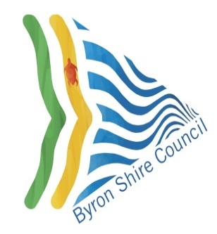

 | BYRON SHIRE COUNCIL ASSET CREATION FORM

Description of Development

Parcel Number

Property Description

Certificate Number

Location

Asset Description | Total Value of Dedications

Roads | -

Stormwater Drainage | -

Buildings

Open Space & Recreation | -

Community Land | -

Water | -

Sewer | -

Other Not Elsewhere Included | -

TOTAL VALUE OF DEDICATED ASSETS | -

